Reference Base Incentives_SBM
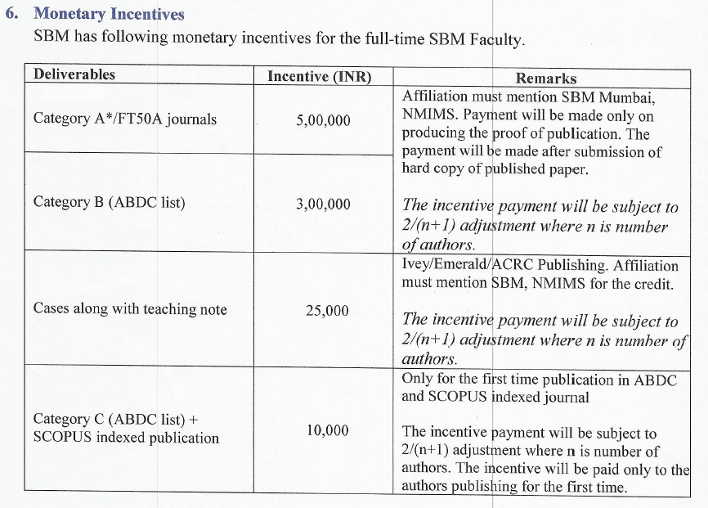
Home

Reference Base Incentives_OS
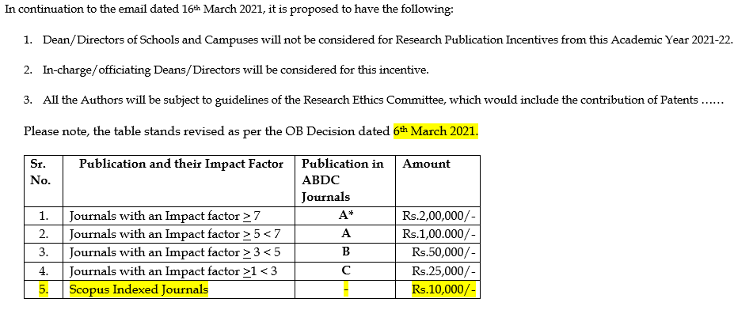
Home

Analysis Sample
ABDC Indexed Publications
117%
 | ABDC Indexed Publications
 | Year | Count | % Delta
Year | 2019 | 30
 | 2020 | 65 | 117%
 | 2021 | 75 | 15%
 | 2022 | 119 | 59%

